Indices

 | Iraq Stock Exchange
 | Bulletin No (86)
 | ISX Trading Indices of Sunday 17/5/2026

 | Traded Volume and OTC |  | 1,997,292,205 |  | Traded Value and OTC |  | 1,851,090,588 |  | Traders | 1434

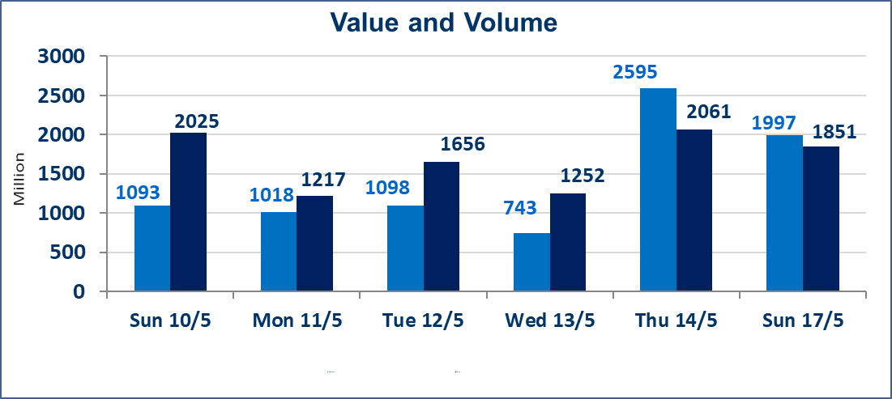
 | ISX Index 60 |  |  | 944.31 | ISX Index 15 |  |  | 1241.27
 | Previous ISX Index60 |  |  | 940.24 | Previous ISX Index15 |  |  | 1235.65
 | Change % |  |  | 0.43 | Change % |  |  | 0.45
 | Change |  |  | 4.07 | Change |  |  | 5.62

 | Listed Companies | 104 | OTC | 14 | Non Traded listed | 42 | OTC | 13
 | Traded Listed Companies | 51 | OTC | 1 | Higher Companies |  |  | 15
 | GAM Companies |  |  | 3 | Lower Companies |  |  | 8
 | Suspended Companies |  |  | 8
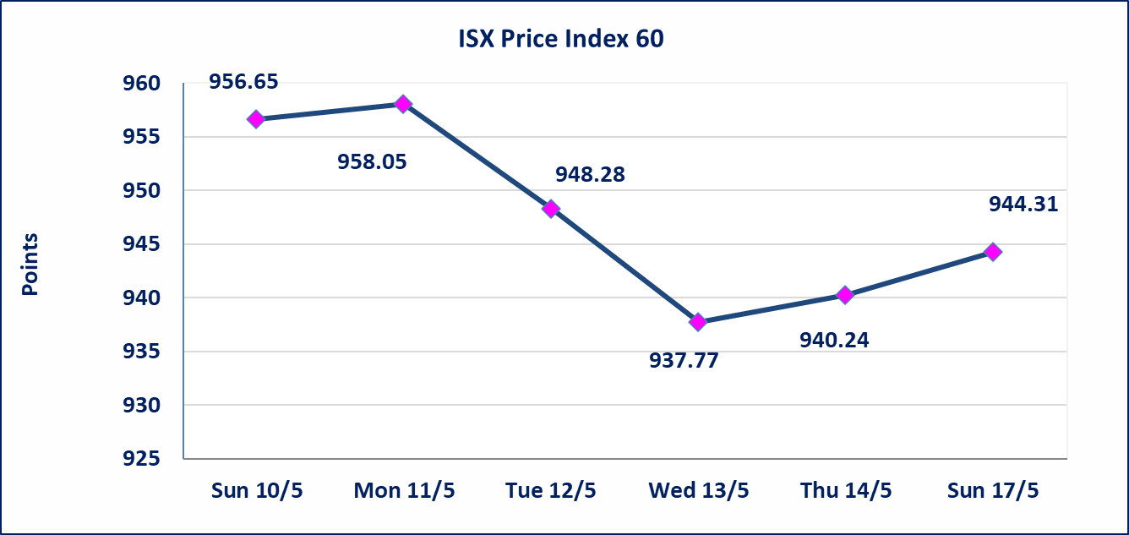
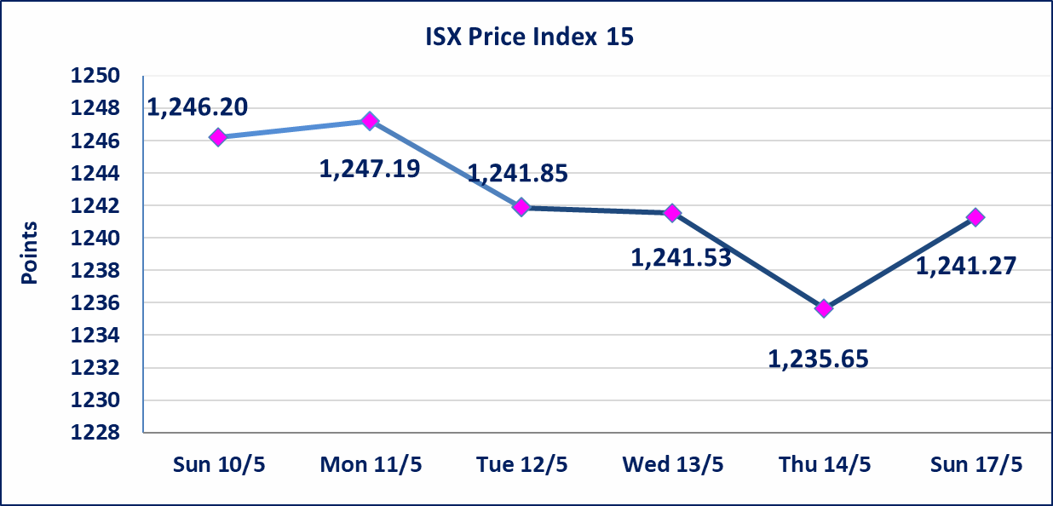

Al-Alwiya P.O . 3607 Mobile: 07711211522 - 07270094594 - 07834000034 E-mail: info-isx@isx-iq.net Web site:www.isx-iq.net

Top 5
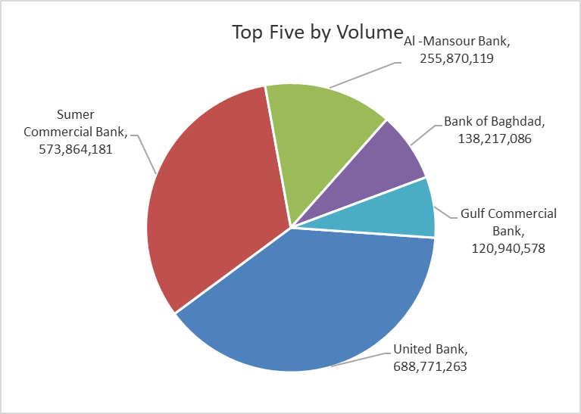
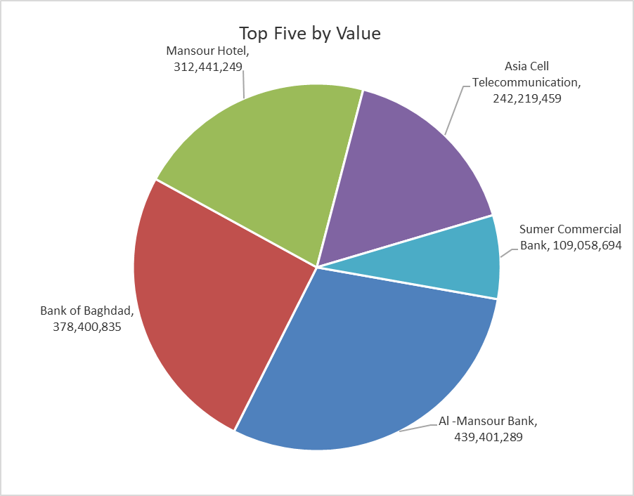

ISX top ganing and losing companies
Sunday 17/5/2026
 | Gainers |  |  |  | Losers
 | Company Name | Closing Price | Change (%) | Traded Volume | Company Name | Closing Price | Change (%) | Traded Volume
 | United Bank | 0.060 | 20.00 | 688,771,263 | General Transportation | 1.570 | -4.85 | 98,368
 | Iraqi Date Processing and Marketing | 2.290 | 4.57 | 331,689 | Al-Hamraa for Insurance | 4.300 | -4.44 | 114,856
 | Economy Bank | 0.240 | 4.35 | 20,365,000 | Elaf Islamic Bank | 0.240 | -4.00 | 198,807
 | Investment Bank of Iraq | 0.250 | 4.17 | 4,489,337 | Iraqi Agricultural Products | 9.600 | -2.04 | 10,000
 | Ashur International Bank | 0.260 | 4.00 | 32,034,750 | Al-Kindi of Veterinary Vaccines | 2.490 | -1.58 | 431,898
 | The most active companies in term of traded volume and value

 | Traded Volume |  |  |  | Traded Value
 | Company Name | Closing Price | Change (%) | Traded Volume | Company Name | Closing Price | Change (%) | Traded Value
 | United Bank | 0.060 | 20.00 | 688,771,263 | Al -Mansour Bank | 1.720 | 0.58 | 439,401,289
 | Sumer Commercial Bank | 0.200 | 0.00 | 573,864,181 | Bank of Baghdad | 2.730 | -0.36 | 378,400,835
 | Al -Mansour Bank | 1.720 | 0.58 | 255,870,119 | Mansour Hotel | 51.000 | 3.34 | 312,441,249
 | Bank of Baghdad | 2.730 | -0.36 | 138,217,086 | Asia Cell Telecommunication | 17.140 | 1.18 | 242,219,459
 | Gulf Commercial Bank | 0.360 | 2.86 | 120,940,578 | Sumer Commercial Bank | 0.200 | 0.00 | 109,058,694

Non Iraqis

Iraq Stock Exchange
Non Iraqis' Bulletin Monday May 17 2026
Regular Market

Non Iraqi Trading of Regular Market (Buy)
Company Names | Code | No.of trades | Traded Shares | Trading Volume
Banks Sector
Commercial Bank of Iraq | BCOI | 1 | 17,666,666 | 11,836,666
Total Bank sector |  | 1 | 17,666,666 | 11,836,666
Telecommunication Sector
Asia cell | TASC | 1 | 450 | 7,677
Total Telecommunication sector |  | 1 | 450 | 7,677
Grand Total |  | 2 | 17,667,116 | 11,844,343

Non Iraqi Trading of Regular Market (Sell)
Company Names | Code | No.of trades | Traded Shares | Trading Volume
Banks Sector
Economy Bank | BEFI | 3 | 350,000 | 80,500
Total Bank sector |  | 3 | 350,000 | 80,500
Grand Total |  | 3 | 350,000 | 80,500

Non Iraqi Trading of Second Market (BUY)
Company Names | Code | No. of trades | Traded Volume | Traded Value
Banks Sector
Credit Bank Of Iraq | BROI | 6 | 5,000,000 | 2,850,000
Total Bank sector |  | 6 | 5,000,000 | 2,850,000
Grand Total |  | 6 | 5,000,000 | 2,850,000

Non Iraqi Trading of Second Market (Sell)
Company Names | Code | No.of trades | Traded Shares | Trading Volume
Banks Sector
Credit Bank Of Iraq | BROI | 1 | 150,000 | 85,500
Total Bank sector |  | 1 | 150,000 | 85,500
Grand Total |  | 1 | 150,000 | 85,500

Non Iraqi Trading of Undisclosed Platform (BUY)
Company Names | Code | No.of trades | Traded Shares | Trading Volume
Hotel Sector
Palestine Hotel | HPAL | 1 | 3,178,791 | 58,171,875
Total Hotel Sector |  | 1 | 3,178,791 | 58,171,875
Grand Total |  | 1 | 3,178,791 | 58,171,875

Not Trading Bonds

Iraq Stock Exchange
Sunday 17/5/2026
Not Trading Bonds Bulletin
Bond type | Publish type | Code | last trading price | immortilize date
Banaa Bonds /Million ID | Second | CB20 | 964,981 | 19/12/2025
Eamar Bonds /Million ID | First | CB30 | 1,001,095 | ــــــــــــــــ
Eamar Bonds /Million ID | Second | CB40 | ــــــــــــــــ | ــــــــــــــــ
Eamar Bonds /500 Thousand ID | Third | CB45 | ــــــــــــــــ | ــــــــــــــــ
Eamar Bonds /Million ID | Third | CB50 | ــــــــــــــــ | ــــــــــــــــ
Injaz Bonds /500 Thousand ID | First | CB55 | ــــــــــــــــ | ــــــــــــــــ
Injaz Bonds /Million ID | First | CB60 | 951,110 | ــــــــــــــــ
Injaz Bonds /500 Thousand ID | Second | CB65 | 507,301 | ــــــــــــــــ
Injaz Bonds /Million ID | Second | CB70 | 965,050 | ــــــــــــــــ
Injaz Bonds /500 Thousand ID | Third | CB75 | ــــــــــــــــ | ــــــــــــــــ
Injaz Bonds /Million ID | Third | CB80 | 978,182 | ــــــــــــــــ
National Bonds/Million ID | First | CB90 | ــــــــــــــــ | ــــــــــــــــ
National Bonds/500 Thousand ID | Second | CB95 | ــــــــــــــــ | ــــــــــــــــ
National Bonds/Million ID | Second | CB100 | ــــــــــــــــ | ــــــــــــــــ

